TEDB Edition 40
Figure 3.1. World Car Production, 1983-2020a
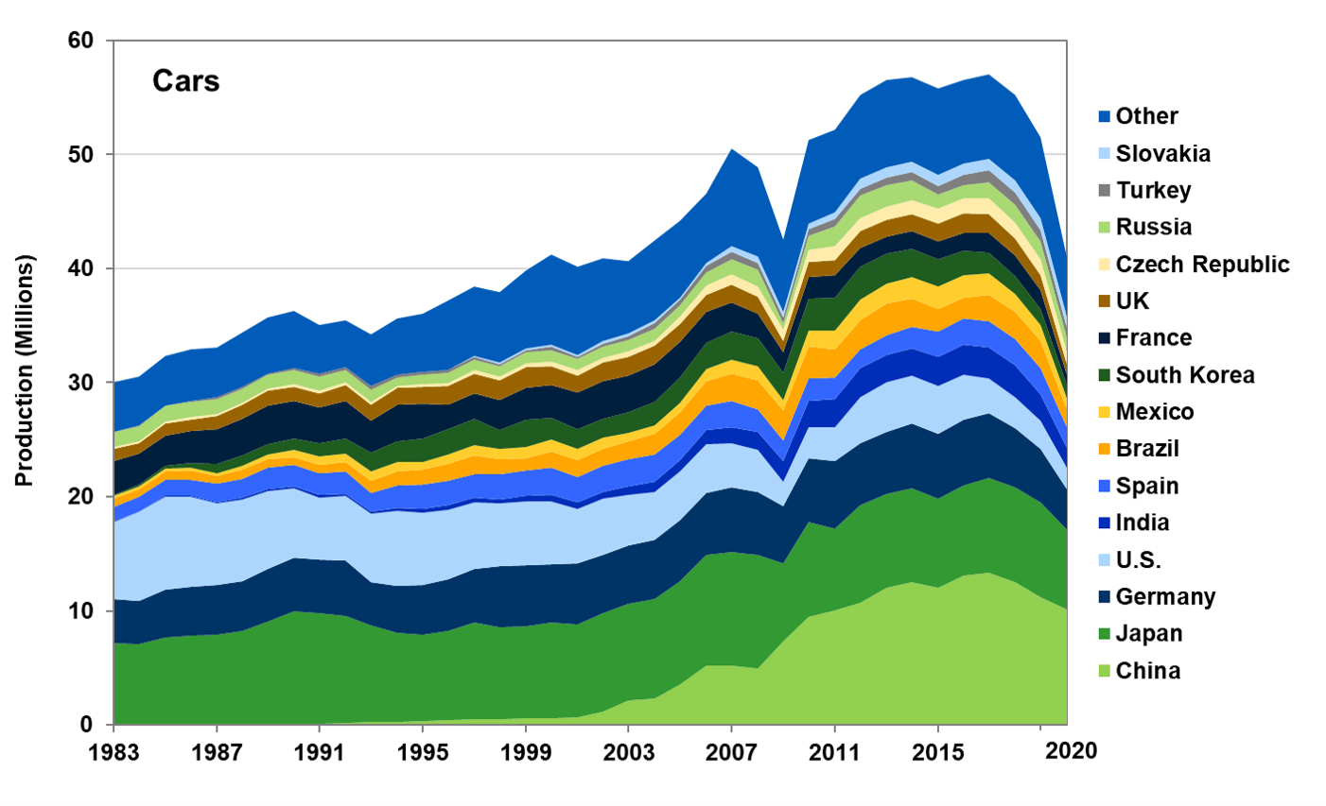

 | (Millions) |  |  |  |  |  |  |  |  |  |  |  |  |  |  | (Millions)
Country | 1983 | 1984 | 1985 | 1986 | 1987 | 1988 | 1989 | 1990 | 1991 | 1992 | 1993 | 1994 | 1995 | 1996 | 1997 | 1998 | 1999 | 2000 | 2001 | 2002 | 2003 | 2004 | 2005 | 2006 | 2007 | 2008 | 2009 | 2010 | 2011 | 2012 | 2013 | 2014 | 2015 | 2016 | 2017 | 2018 | 2019 | 2020
China | 0.0 | 0.0 | 0.0 | 0.0 | 0.0 | 0.0 | 0.0 | 0.0 | 0.1 | 0.2 | 0.2 | 0.2 | 0.3 | 0.4 | 0.5 | 0.5 | 0.6 | 0.6 | 0.7 | 1.2 | 2.1 | 2.3 | 3.6 | 5.2 | 5.2 | 5.0 | 7.3 | 9.5 | 10.1 | 10.7 | 12.1 | 12.5 | 12.0 | 13.1 | 13.3 | 12.5 | 11.2 | 10.1
Japan | 7.2 | 7.1 | 7.6 | 7.8 | 7.9 | 8.2 | 9.1 | 9.9 | 9.8 | 9.4 | 8.5 | 7.8 | 7.6 | 7.9 | 8.5 | 8.1 | 8.1 | 8.4 | 8.1 | 8.6 | 8.5 | 8.7 | 9.0 | 9.8 | 9.9 | 9.9 | 6.9 | 8.3 | 7.2 | 8.6 | 8.2 | 8.3 | 7.8 | 7.9 | 8.3 | 8.4 | 8.3 | 7.0
Germany | 3.9 | 3.8 | 4.2 | 4.3 | 4.4 | 4.3 | 4.6 | 4.7 | 4.7 | 4.9 | 3.8 | 4.1 | 4.4 | 4.5 | 4.7 | 5.3 | 5.3 | 5.1 | 5.3 | 5.1 | 5.1 | 5.2 | 5.4 | 5.4 | 5.7 | 5.5 | 5.0 | 5.6 | 5.9 | 5.4 | 5.4 | 5.6 | 5.7 | 5.7 | 5.6 | 5.1 | 4.7 | 3.5
U.S. | 6.8 | 7.8 | 8.2 | 7.8 | 7.1 | 7.1 | 6.8 | 6.1 | 5.4 | 5.7 | 6.0 | 6.6 | 6.3 | 6.0 | 5.9 | 5.5 | 5.6 | 5.5 | 4.8 | 5.0 | 4.5 | 4.2 | 4.3 | 4.3 | 3.9 | 3.7 | 2.2 | 2.7 | 3.0 | 4.1 | 4.4 | 4.3 | 4.2 | 3.9 | 3.0 | 2.8 | 2.5 | 1.9
India | 0.0 | 0.1 | 0.1 | 0.1 | 0.1 | 0.2 | 0.2 | 0.2 | 0.2 | 0.2 | 0.2 | 0.2 | 0.3 | 0.4 | 0.4 | 0.4 | 0.5 | 0.6 | 0.6 | 0.5 | 0.7 | 0.9 | 1.0 | 1.2 | 1.4 | 1.5 | 1.8 | 2.3 | 2.5 | 2.5 | 2.4 | 2.4 | 2.5 | 2.6 | 2.8 | 2.8 | 2.3 | 1.7
Spain | 1.2 | 1.3 | 1.3 | 1.4 | 1.6 | 1.7 | 1.9 | 1.9 | 1.9 | 2.0 | 1.6 | 2.0 | 2.1 | 2.2 | 2.0 | 2.2 | 2.2 | 2.4 | 2.2 | 2.3 | 2.4 | 2.4 | 2.2 | 2.2 | 2.3 | 2.0 | 1.8 | 2.0 | 1.9 | 1.6 | 1.8 | 1.9 | 2.2 | 2.4 | 2.3 | 2.3 | 2.2 | 1.8
Brazil | 0.7 | 0.7 | 0.8 | 0.8 | 0.7 | 0.8 | 0.7 | 0.7 | 0.7 | 0.8 | 1.1 | 1.2 | 1.3 | 1.5 | 1.7 | 1.3 | 1.1 | 1.4 | 1.5 | 1.5 | 1.5 | 1.8 | 2.0 | 2.1 | 2.4 | 2.6 | 2.6 | 2.8 | 2.5 | 2.6 | 2.7 | 2.4 | 2.0 | 1.8 | 2.3 | 2.4 | 2.4 | 1.6
Mexico | 0.2 | 0.2 | 0.3 | 0.2 | 0.3 | 0.4 | 0.4 | 0.6 | 0.7 | 0.8 | 0.8 | 0.9 | 0.7 | 0.8 | 0.9 | 1.0 | 1.0 | 1.1 | 1.0 | 1.0 | 0.8 | 0.8 | 0.8 | 1.1 | 1.2 | 1.2 | 0.9 | 1.4 | 1.7 | 1.8 | 1.8 | 1.9 | 2.0 | 2.0 | 1.9 | 1.6 | 1.4 | 1.0
South Korea | 0.1 | 0.2 | 0.3 | 0.5 | 0.8 | 0.9 | 0.9 | 1.0 | 1.2 | 1.3 | 1.6 | 1.8 | 2.0 | 2.3 | 2.3 | 1.6 | 2.4 | 1.9 | 1.7 | 1.7 | 1.8 | 2.1 | 2.2 | 2.3 | 2.5 | 2.4 | 2.4 | 2.8 | 2.9 | 2.9 | 2.6 | 2.5 | 2.4 | 2.1 | 1.8 | 1.6 | 1.4 | 1.1
France | 3.0 | 2.7 | 2.6 | 2.8 | 3.1 | 3.2 | 3.4 | 3.3 | 3.2 | 3.3 | 2.8 | 3.2 | 3.1 | 2.1 | 2.3 | 2.6 | 2.8 | 2.9 | 3.2 | 3.3 | 3.2 | 3.2 | 3.1 | 2.7 | 2.6 | 2.1 | 1.8 | 1.9 | 1.9 | 1.7 | 1.5 | 1.5 | 1.6 | 1.6 | 1.7 | 1.8 | 1.6 | 0.9
UK | 1.0 | 0.9 | 1.0 | 1.0 | 1.1 | 1.2 | 1.3 | 1.3 | 1.2 | 1.4 | 1.4 | 1.5 | 1.5 | 1.7 | 1.7 | 1.7 | 1.8 | 1.6 | 1.5 | 1.6 | 1.7 | 1.6 | 1.6 | 1.4 | 1.5 | 1.4 | 1.0 | 1.3 | 1.3 | 1.5 | 1.5 | 1.5 | 1.6 | 1.7 | 1.6 | 1.5 | 1.3 | 0.9
Czech Republic | 0.2 | 0.2 | 0.2 | 0.2 | 0.2 | 0.2 | 0.2 | 0.2 | 0.2 | 0.2 | 0.2 | 0.2 | 0.2 | 0.2 | 0.3 | 0.4 | 0.3 | 0.4 | 0.5 | 0.4 | 0.4 | 0.4 | 0.6 | 0.8 | 0.9 | 0.9 | 1.0 | 1.1 | 1.2 | 1.2 | 1.1 | 1.2 | 1.3 | 1.3 | 1.4 | 1.4 | 1.4 | 1.2
Russia | 1.3 | 1.3 | 1.3 | 1.3 | 1.3 | 1.3 | 1.2 | 1.3 | 1.3 | 1.1 | 1.1 | 0.8 | 0.8 | 0.9 | 1.0 | 0.8 | 1.0 | 1.0 | 1.0 | 1.0 | 1.0 | 1.1 | 1.1 | 1.2 | 1.3 | 1.5 | 0.6 | 1.2 | 1.7 | 2.0 | 1.9 | 1.7 | 1.2 | 1.1 | 1.3 | 1.6 | 1.5 | 1.3
Turkey | 0.0 | 0.1 | 0.1 | 0.1 | 0.1 | 0.1 | 0.1 | 0.2 | 0.2 | 0.3 | 0.3 | 0.2 | 0.2 | 0.3 | 0.2 | 0.2 | 0.2 | 0.3 | 0.2 | 0.2 | 0.3 | 0.4 | 0.5 | 0.5 | 0.6 | 0.6 | 0.5 | 0.6 | 0.6 | 0.6 | 0.6 | 0.7 | 0.8 | 1.0 | 1.1 | 1.0 | 1.0 | 0.9
Slovakia | 0.0 | 0.0 | 0.0 | 0.0 | 0.0 | 0.0 | 0.0 | 0.0 | 0.0 | 0.0 | 0.0 | 0.0 | 0.0 | 0.0 | 0.0 | 0.1 | 0.1 | 0.2 | 0.2 | 0.2 | 0.3 | 0.2 | 0.2 | 0.3 | 0.5 | 0.5 | 0.4 | 0.5 | 0.6 | 0.8 | 0.9 | 0.9 | 1.0 | 1.0 | 1.0 | 1.1 | 1.1 | 1.0
Other | 4.3 | 4.3 | 4.4 | 4.6 | 4.4 | 4.8 | 4.9 | 5.0 | 4.3 | 4.2 | 4.5 | 4.9 | 5.1 | 6.1 | 6.1 | 6.2 | 6.8 | 7.9 | 7.7 | 7.2 | 6.3 | 7.1 | 6.7 | 6.1 | 8.5 | 7.8 | 6.4 | 7.3 | 7.3 | 7.4 | 7.6 | 7.4 | 7.5 | 7.4 | 7.4 | 7.5 | 7.0 | 5.2
World | 30.0 | 30.5 | 32.4 | 32.9 | 33.1 | 34.4 | 35.7 | 36.3 | 35.1 | 35.5 | 34.2 | 35.6 | 36.1 | 37.2 | 38.5 | 37.9 | 39.8 | 41.2 | 40.2 | 40.9 | 40.7 | 42.5 | 44.2 | 46.6 | 50.5 | 48.9 | 42.5 | 51.2 | 52.2 | 55.2 | 56.5 | 56.8 | 55.8 | 56.6 | 57.0 | 55.2 | 51.5 | 41.0

Source:
Ward's Communications, www.wardsauto.com.

a The sharp decrease in 2009 coincides with the recession. Note that the scales on Figure 3.1 and 3.2 differ.

